How to Use This Tool
Step 1: Record basic show & exhibit space information | Related Resources

 |  | Smart Marketers Guide to Trade Show Marketing
 |  | www.nimlok.com/smart-marketers-guide-to-event-marketing

 |  | Ultimate Trade Show Planning Guide
 |  | www.nimlok.com/nimlok-guide-to-trade-show-planning

Step 2: Record all expenses relating to the show |  | Is Exhibit Rental Right for You?
If some expenses apply to multiple shows - such as having the same exhibit - amoritze the cost |  | www.nimlok.com/is-exhibit-rental-right-for-you
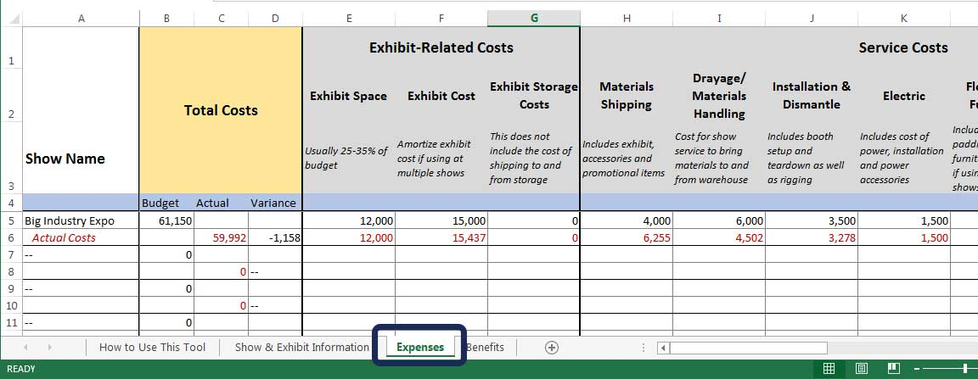

Step 3: Record all benefits/values gained from the show
This includes sales as well as qualitative factors, such as exposure and brand awareness
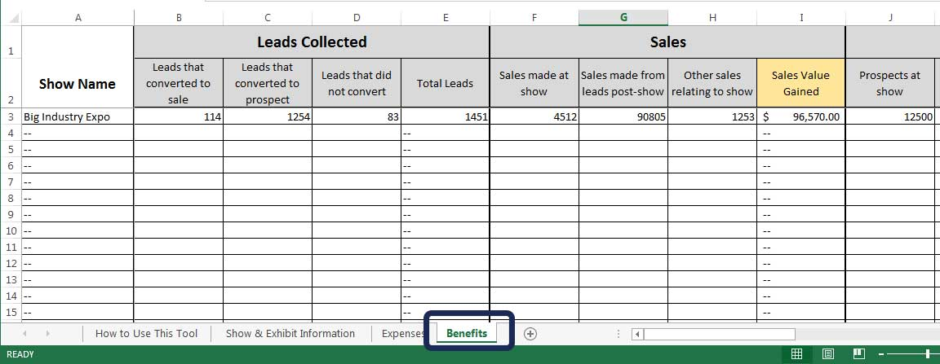

For more on trade show budgeting, planning and marketing, visit Nimloktradeshowmarketing.com.

Find your exhibit inspiration and browse hundreds of exhibit designs at Nimlok.com/exhibits.

